Sheet1
HQ 02problem 2

Dimensionless T vs Log (Fo#) for Bi#=0.1 (Same as Fig 9.8 in Text)
-0.31 | 1.00
-0.01 | 1.00
0.16 | 1.00
0.29 | 1.00
0.38 | 1.00
0.46 | 1.00
0.53 | 1.00
0.59 | 1.00
0.64 | 1.00
0.69 | 1.00
0.73 | 1.00
0.76 | 1.00
0.80 | 1.00
0.83 | 1.00
0.86 | 1.00
0.89 | 1.00
0.92 | 1.00
0.94 | 1.00

Truncated for space for file size reasons, but graph for the entire worksheet is pasted in below, left
 |  | D | 8.5
 |  | Dx | 0.85 | cm
 |  | Dt | 2.8 | s
 |  | a | 0.125 | cm2s-1
 |  | h | 0.027 | W*cm-2*K-1
 |  | k | 2.3 | W*cm-1*K-2
 |  | f | 0.48
 |  | IC | 1
 |  | Tf | 0
 |  | Bi | 0.100

Log(Fo) | Log T | t x | 0 | 0.85 | 1.7 | 2.55 | 3.4 | 4.25 | 5.1 | 5.95 | 6.8 | 7.65 | 8.5
0.00 |  | 0 | 1.00 | 1.00 | 1.00 | 1.00 | 1.00 | 1.00 | 1.00 | 1.00 | 1.00 | 1.00 | 1.00
-0.31 | 0 | 2.8 | 1.00 | 1.00 | 1.00 | 1.00 | 1.00 | 1.00 | 1.00 | 1.00 | 1.00 | 1.00 | 0.99
-0.01 | 0 | 5.6 | 1.00 | 1.00 | 1.00 | 1.00 | 1.00 | 1.00 | 1.00 | 1.00 | 1.00 | 1.00 | 0.99
0.16 | 0 | 8.4 | 1.00 | 1.00 | 1.00 | 1.00 | 1.00 | 1.00 | 1.00 | 1.00 | 1.00 | 0.99 | 0.98
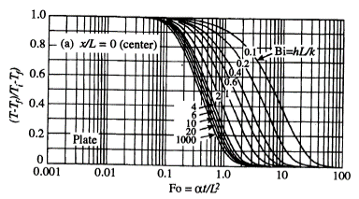
0.29 | 0 | 11.2 | 1.00 | 1.00 | 1.00 | 1.00 | 1.00 | 1.00 | 1.00 | 1.00 | 1.00 | 0.99 | 0.98
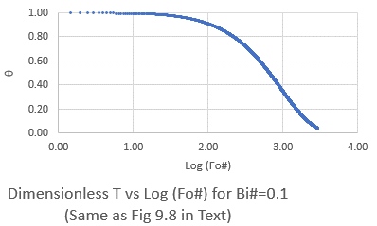
0.38 | 0 | 14 | 1.00 | 1.00 | 1.00 | 1.00 | 1.00 | 1.00 | 1.00 | 1.00 | 0.99 | 0.99 | 0.98
0.46 | 0 | 16.8 | 1.00 | 1.00 | 1.00 | 1.00 | 1.00 | 1.00 | 1.00 | 1.00 | 0.99 | 0.99 | 0.98
Truncated for space for file size reasons, but graph for the entire worksheet is pasted in
0.53 | 0 | 19.6 | 1.00 | 1.00 | 1.00 | 1.00 | 1.00 | 1.00 | 1.00 | 1.00 | 0.99 | 0.99 | 0.98
0.59 | 0 | 22.4 | 1.00 | 1.00 | 1.00 | 1.00 | 1.00 | 1.00 | 1.00 | 1.00 | 0.99 | 0.98 | 0.97
0.64 | 0 | 25.2 | 1.00 | 1.00 | 1.00 | 1.00 | 1.00 | 1.00 | 1.00 | 0.99 | 0.99 | 0.98 | 0.97
0.69 | -6.3037942155E-06 | 28 | 1.00 | 1.00 | 1.00 | 1.00 | 1.00 | 1.00 | 1.00 | 0.99 | 0.99 | 0.98 | 0.97
0.73 | -1.4148041664E-05 | 30.8 | 1.00 | 1.00 | 1.00 | 1.00 | 1.00 | 1.00 | 1.00 | 0.99 | 0.99 | 0.98 | 0.97
0.76 | -3.254542355E-05 | 33.6 | 1.00 | 1.00 | 1.00 | 1.00 | 1.00 | 1.00 | 1.00 | 0.99 | 0.99 | 0.98 | 0.97
0.80 | -5.4122205653E-05 | 36.4 | 1.00 | 1.00 | 1.00 | 1.00 | 1.00 | 1.00 | 0.99 | 0.99 | 0.99 | 0.98 | 0.97
0.83 | -8.8003251529E-05 | 39.2 | 1.00 | 1.00 | 1.00 | 1.00 | 1.00 | 1.00 | 0.99 | 0.99 | 0.98 | 0.98 | 0.97
0.86 | -0.00012626183962 | 42 | 1.00 | 1.00 | 1.00 | 1.00 | 1.00 | 1.00 | 0.99 | 0.99 | 0.98 | 0.98 | 0.97
0.89 | -0.00017698738153 | 44.8 | 1.00 | 1.00 | 1.00 | 1.00 | 1.00 | 1.00 | 0.99 | 0.99 | 0.98 | 0.97 | 0.97
0.92 | -0.00023279446917 | 47.6 | 1.00 | 1.00 | 1.00 | 1.00 | 1.00 | 1.00 | 0.99 | 0.99 | 0.98 | 0.97 | 0.96
0.94 | -0.00030040325752 | 50.4 | 1.00 | 1.00 | 1.00 | 1.00 | 1.00 | 0.99 | 0.99 | 0.99 | 0.98 | 0.97 | 0.96

